STP
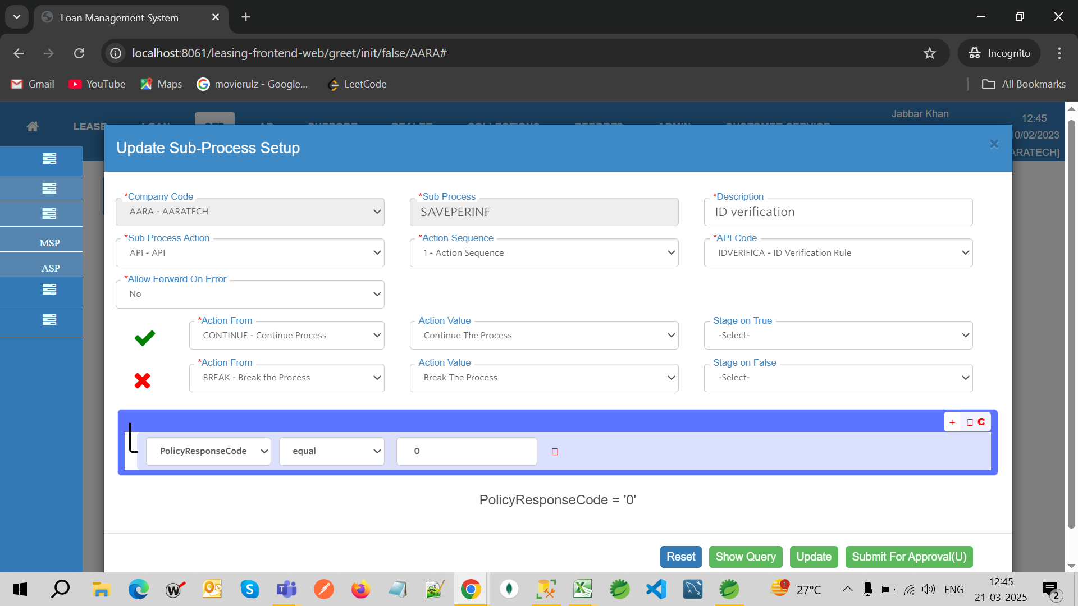
SI.no | issue | screen | Status | est. in hrs | remarks | Type
1 | Initial Record for START cannot be setup for Sub Process Action SCR, as "Continue process" cannot be setup to mention the process. | sub process |  | 18 | we need to design in different way( on discussion call we can remove proces master and fill all sub process and just assignment flow can be setup like in dsg final setup) | Fixes
2 | calling sub process inside sub process. it may go infinite loop check. | sub process |  | 2 | test | Fixes
4 | If the "Action From" is "Continue Process" for Success what does the program do as there is no ID like API/Screen. | sub process |  | 3 | test | Fixes
5 | on sub process after choosed the screen as action its not remiving the query builder | sub process |  | 1 | test | Fixes
9 | multiple api's in single swagger is not allowed(need to check and if possible enable multiple api's) | api master |  | 2 |  | Fixes
10 | header is not able to change into AHD(enable auth name response fields to map like HD) | api master |  | 3 |  | Fixes
12 | need to handle the STP_FIELDS_MASTER update submit approval on apporved record it creating a V record and A record, but not able to see in authorize screen. Because the main api master record is not marked as V. | api master |  | 1 |  | Fixes
15 | why reponse fields setup is not needed ? | api master |  | 3 |  | Fixes
17 | api master update deleting records in STP_FIELDS_MASTER. on Authorize. |  |  | 2 |  | Fixes
18 | update of stp fields master data is not comming for status V. |  |  | 2 |  | Fixes
20 | Need to maintain stp request id against application id or email or phone something in stp, need to fetch process of application in stp by some sort of way to fix - (find the process) |  |  | 3 | need to discuss on can store the application id in stp, not all idnumber full names. | Fixes
21 | request process screen in stp is not working, shows wrong entry - list process status screen |  |  | 3 |  | Fixes
22 | const element decrypt and encrypt data is not working(test case is when user entered string is having two + its not decrypted properly) |  |  | 4 | might can the encrypt and decrypt logic. If that’s the solution, we need to update all old records in automated way | Fixes
23 | screen fields and caller inputs has to be come from DSG catalog table |  |  | 9 | screen change and flow test | Fixes
24 | swagger testing with different swaggers and review code |  |  | 18 | need to spend 1 day to review and look for bottlenecks and start development | Fixes
27 | how to set Message field of API response when the condition is failed on query builder ( by getting message we can populate in DSG to hanndle) |  |  | 4 |  | enhancement
28 | priority for parallel processing in sub process, need to check how its working and screen | sub process |  | 4 |  | Fixes
29 | mapping API response fields to another API currenlty for elements , need to check for Array and objects as well if possible | API master |  | 4 |  | enhancement
30 | Callback API's (async and sync) |  |  | 8 |  | enhancement
32 | Create a common routinue of save Application details in api master with "Save on screen" type of API. and call automatically if the process is comes from the screen. ex: LOS_AL. |  |  | 8 |  | enhancement
33 | Need to move query builder to popup for both the actions | sub process |  | 16 |  | enhancement
35 | Multiple query creation in sub process like multiple if condition and default else condition(refer the below mentioned SS). Move tick mark action from and related fields into jquery builder | sub process |  | 16 |  | enhancement
36 | add meesage field as part of query builder on true actions along with action from field. Get static or API for message field. If static text field and for API get from api response. | sub process |  | 8 |  | enhancement
37 | Need to add "Move to approval" in STP action from, and check formId from rule API and if values Exist get Screen Id, Approval Screen Id, Nxt Process Id. | sub process |  | 8 |  | enhancement
38 | for approvalId jquery query builder , not able to check for null. Need to fix that. | sub process |  | 16 |  | enhancement
39 | shouldAPI fucntion is not working properly | stp process |  | 5 |  | Fixes
40 | add auto generated id as source from option | stp fields master |  | 4 |  | enhancement

